Sayfa1
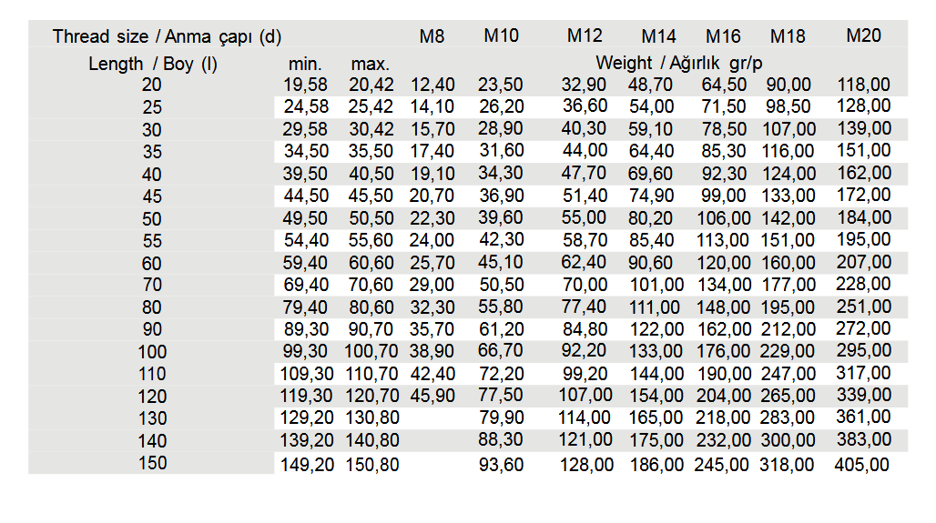
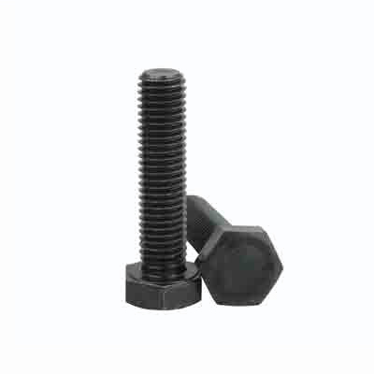
DIN 961 ISO 8765 HEXAGON HEAD BOLT

DIN 961 ISO 8765 UNI 5740 Hexagon head boltis a fully threaded hexagon head bolt with fine pitch metric thread
These attributes make them suitable for use in areas that are applications requiring precise thread engagement and high clamping force.

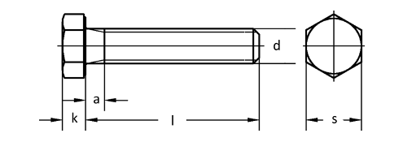

Quality
Steel: 8.8,10.9,12.9
Stainless Steel:A2,A4
Thread:6g

Coatings

Whether you need Zinc plating, PTFE coatings, or any other surface treatment, we've got you covered.
Such as: Zinc plating, Zinc-Nickel plating, Zinc-Flake coatings like Geomet, Dörken, Magni, Corundum, PTFE coatings like Xylan, Xylar, Lubo lubrication, Hot dip galvanising, HDG, Sherardising, Passivating, Antifricor, Powdercoating, Mechanical Zinc, Zinc-Iron... etc.
And the best part? We offer competitive prices and have a variety of options in stock, ready to meet your demand.

Make A gallery for coated bolts

Weight Chart

